Cover sheet
OIA-11821 Transmission Gully and SH59 traffic counts Apr 22 - Dec 22

Report Date: | 2023-01-16
Data extract date: | 2023-01-16
Request: | Kia ora, I am keen to know the results of Waka Kotahi’s traffic volume measurement of SH1 Transmission Gully and SH59 from Porirua to Paekakariki. Could all measurement details between April 2022 to December 2022 for both roads please be provided to Transporting New Zealand. This would include total daily (weekday) vehicle numbers over both routes on a monthly basis and the break-down of heavy vehicles from that group. We are keen to understand whether vehicle movements have increased on SH59 since the initial decrease when Transmission Gully was opened, and particularly whether more heavy vehicles have reverted to using SH59 throughout 2022.
Source database: | State Highway Traffic Monitoring System (TMS) and data for Transmission Gully from Ventia.
Report produced by: | Darren Ward (Performance Analytics)
Peer reviewed by: | Alastair Foster (Performance Analytics)

Please note the following concerning the data contained in this spreadsheet:
TMS Data extracted is from 1 April 2022 through to 30 November 2022 (as December data has not been loaded into TMS yet).
Light and Heavy traffic volumes have been split using TMS data where vehicles with a length of less than 5.5m are classed as light vehicles. Heavy vehicles are over 11m long. Those between 5.5 and 11m are split 50:50 into Light and Heavy vehicles.
The TMS site used for SH59 is based at Taupo Swamp (site reference 05900014).
The TMS Site location is on the "Site Location" tab on this spreadsheet.
The increase in traffic counts on 1 October 2022 was due to a truck fire that closed Transmission Gully.
There are gaps in the data due to the site being out of action for periods of time for both the Taupo Swamp and Waitangirua locations.

For further information, please contact |  | official.correspondence@nzta.govt.nz

SH59 Site Location
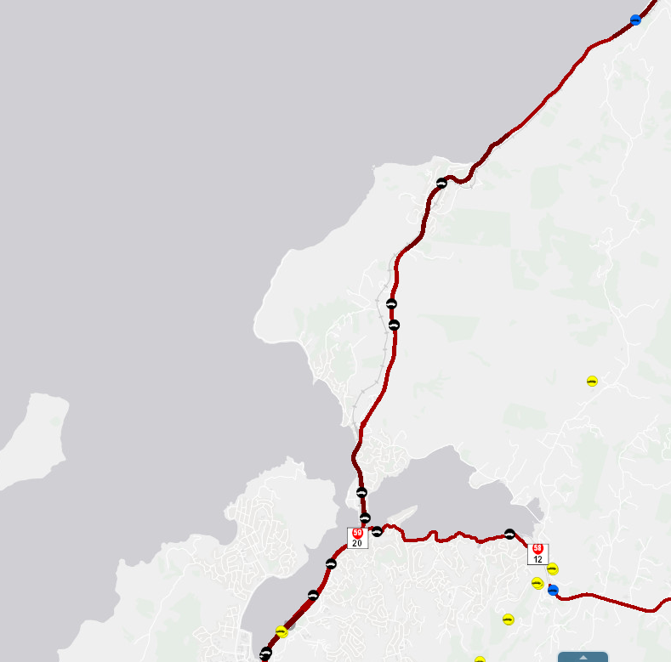

Taupo Swamp (site reference 05900014 )

