Caveats
OIA-7232 Crashes on State Highway 45

Request Date: | 2020-10-07
Data extraction date | 2020-10-27
Requester: | Phil Pennington
Request: | • the Police Traffic Crash Reports, as held by the NZTA, for the section of State Highway 45 in Taranaki between Road Positions (RP) 45/15/0.000 to 45/15/10.000 since the beginning of 2015. • Pls provide all info in fully searchable form Clarified as Statistics on crashes on State Highway 45, including injuries of road users, types of vehicles involved, factors contributing to crashes, and a map of crash locations
Clarification: | all of its own reports of each crash (for the area and period as in OIA-6105)
Source database: | Crash Analysis System (CAS)
Report produced by: | Paul Phipps (Data Services)
Peer reviewed by: | Luke Searle (Advanced Analytics and Modelling)

Please note the following concerning the data contained in this spreadsheet:
NZTA maintains the Crash Analysis System (CAS) which is updated once a Traffic Crash Report (TCR) is received from NZ Police sometime after the crash.
This data is provided from the road traffic crash database; Crash Analysis System (CAS) version 2.0.0 and is current from CAS as at 28 October 2020.
Due to the police reporting time frame and subsequent data processing there is a lag from the time of a crash to full and correct crash records within CAS
A crash, to be recorded in CAS has to have occurred on a road. The CAS definition of a road is any street, motorway or beach or a place to which the public have access with a motor vehicle, whether as of right or not (eg a public car park).
Crashes may involve more than one vehicle.
Not all crashes are reported to the NZ Police and the level of reporting increases with the severity of the crash. Due to the nature of non-fatal crashes it is believed that these are under-reported.
Data is limited to crashes occurring between Road Position 045-0015/0.000 and 045-0015/10.000 on State Highway 45.
Data is limited to crashes that have occurred from 1 January 2015 to 21 November 2019.
Data for 2019 is not yet complete due to the police reporting time frame to NZTA and subsequent data processing.
The cause of a crash cannot necessarily be attributed to any one factor (eg fatigue) as a crash may have multiple factors.
In the "Crash vehicles" sheet, "Other" vehicles are referring to miscellaneous vehicle types, such as tractors, mobile cranes, front-end loaders.
Certain personal data has been removed from the crash records on the Crashes sheet due to privacy requirements. Some of this data has been provided in summary form in the other tables.

Map
This information must be read in conjunction with the caveats in the "Caveats" sheet of this document.
Data extracted from Crash Analysis System (CAS) on 28 October 2020 for the 7 October 2020 request.

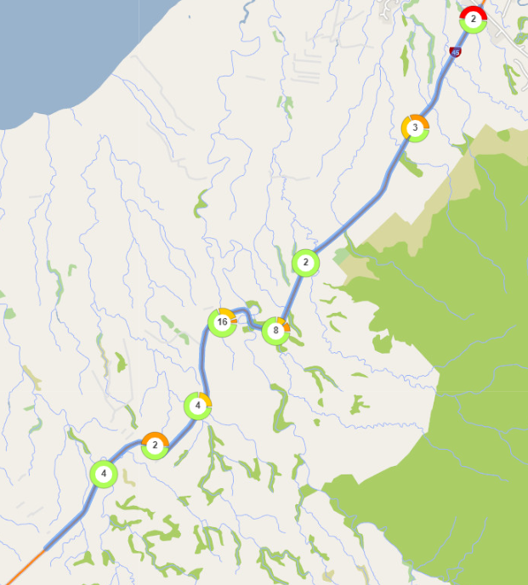
Diagram Colour Legend
Group / Single
/ Fatal Crashes
s
/ Serious Injury Crashes
s
/ Minor Injury Crashes
a
/ Non-Injury Crashes
 | Map of crash locations on State Highway 45 between Road Positions 045-0015/0.000 to 045-0015/10.000, from 2015 to 2019*
 |  | Note: CAS will group crashes that are near each other depending on the zoom level of the map. This should not be interpreted as where crash hotspots are. The number in the circle is the number of crashes on that section of highway. The colours around the circle show the proportion of crashes of different severities - see legend to the right of this diagram. Where there are individual crashes that are not grouped, they show as single pin - see legend to the right of this diagram.

 | *Data for 2019 is not yet complete due to the police reporting time frame to NZTA and subsequent data processing.

