Cover sheet
OIA-6431 Cherie Howie

Requester: | Cherie Howie
Request: | I would like to request the following: Details of vehicle crash fatalities on State Highway 1 between Warkworth and Whāngārei in the 2016, 2017, 2018 and 2019 calendar years. This information should be broken down by date of crash and include the following: - The name/s of those killed in each crash (and their ages and where they're from, if available) - The location of each crash (as all will be SH1 please provide the closest cross roads to each crash). I think this request will relate to two districts - Northland and Waitematā.
Source database: | CAS
Report produced by: | Paul Phipps (Data Services)
Peer reviewed by: | James Eden (Data Services)

Please note the following concerning the data contained in this spreadsheet:
This data is provided from the road traffic crash database; Crash Analysis System (CAS) version 1.3.4.
Waka Kotahi NZ Transport Agency maintains the Crash Analysis System which is updated once a Traffic Crash Report (TCR) is received from NZ Police sometime after the crash.
Data is limited to fatal crashes for the years 2016 to 2019 as recorded in CAS to date - 20/02/2020.
Due to the police reporting time frame and subsequent data processing there is a lag from the time of a crash to full and correct crash records within CAS.
2019 data is incomplete.
Data is limited to crashes on SH 1N between Warkworth and Whangārei.
A crash, to be recorded in CAS has to have occurred on a road. The CAS definition of a road is any street, motorway or beach, or a place to which the public have access with a motor vehicle, whether as of right or not e.g. a public car park.
The cause of a crash cannot necessarily be attributed to any one factor (eg fatigue) as a crash may have multiple factors.

For further information, please contact |  | StatisticalAnalysis@nzta.govt.nz

Maps
This information must be read in conjunction with the Caveats on the first page of this spreadsheet

Map of 2016-2019* fatal crashes on SH 1N between Warkworth and Whangārei | Table 3: Road and Side road of 2016-2019* fatal crashes on SH 1N between Warkworth and Whangārei
 | Crash road | Side road
CAS will group crashes that are near each other depending on the zoom level of the map. | SH 1N | SCHISKA ROAD
This should not be interpreted as where crash hotspots are. | SH 1N | MAUNGAKARAMEA ROAD
The number in the circle is the number of crashes on that section of highway. | SH 1N | MAUNGAKARAMEA ROAD
The colours around the circle show the proportion of crashes of different severities - see legend below. | SH 1N | BROOKS ROAD
Where there are individual crashes that are not grouped, they show as single pin - see legend below. | SH 1N | WAIMANU ROAD
* 2019 data is incomplete and is current from CAS as at 20/02/2020 | SH 1N | LOVERS LANE N
 | SH 1N | HOTEO RIV BR
 | SH 1N | SPRINGFIELD ROAD
 | SH 1N | PRESCOTT ROAD
 | SH 1N | FALLS BR
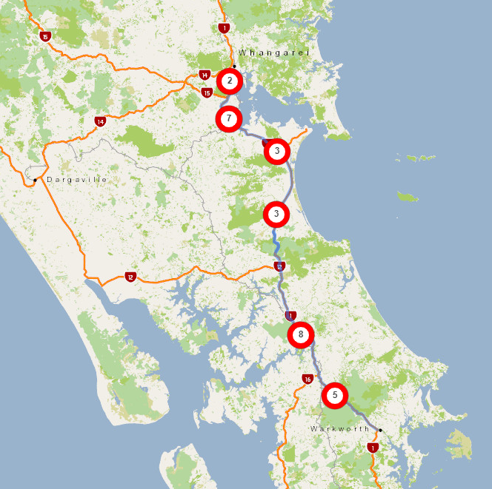
 | SH 1N | RIVER ROAD
 | SH 1N | THE BRAIGH
 | SH 1N | FINLAYSON BROOK ROAD
 | SH 1N | TE HANA RAIL OBR
 | SH 1N | ORUAWHARO ROAD
 | SH 1N | FLYGER ROAD
 | SH 1N | KATETOKE STM BR
 | SH 1N | ORUAWHARO ROAD
 | SH 1N | MARUSUMI ROAD
 | SH 1N | ONERIRI ROAD
 | SH 1N | MAUNU ROAD
 | SH 1N | PRESCOTT ROAD
 | SH 1N | TOTARA ROAD
 | SH 1N | SH 15
 | SH 1N | BOSHER ROAD
 | SH 1N | CROWTHER ROAD
 | SH 1N | MANGAPAI ROAD
 | SH 1N | CENTENNIAL PARK ROAD

