AST
Appraisal Summary Table Template |  |  |  |  |  |  |  | Option number
Date: | 2023-04-14 13:23:38 | Evaluation Period: (baseline and forecast year) e.g 2020 - 2060 | - 0 | Option Name: |  |  | This is the preferred option | One
Problem/opportunity statement: |  | Investment objectives: |  | How project gives effect to GPS: |  | How project gives effect to local community outcomes:
… type |  | … type |  | … type |  | … type

1. Summary of Non-Monetised Impacts (Description) |  |  | 2. Summary of Financial Impacts (nominal, non-discounted) |  | 3. Summary of Monetised Option Impacts (present value, discounted)
Summary description of non-monetised measures and impacts |  |  | Capital Costs | $0 | Total Monetised Benefits |  | $0

 |  |  | Operating Costs | $0 | Total Economic Costs |  | $0
 |  |  |  |  | BCR (excluding WEBs) |  | 0.0
 |  |  | Total Financial Costs | $0

Select the row above and click to insert new row
Transport Outcomes |  | Non-Monetised Impact: (description in numerical or narrative terms) |  |  |  | Monetised Impact: (description in dollar terms in real terms, non-discounted)
Name of Benefit |  | Name of Measure: | Baseline: | Do Minimum Impact: | Option Impact: | Do Minimum Impact: | Option Impact:
Healthy and safe people (Please insert a row below to add an additional benefit or measure, and delete rows as appropriate)
1.1 Impact on social cost and incidents of crashes |  | 1.1.3 Deaths and serious injuries | N/A |  | … type | … type | $0
Resilience and security (Please insert a row below to add an additional benefit or measure, and delete rows as appropriate)
 |  |  | N/A | … type | … type | … type | … type
Economic prosperity - excluding wider economic impacts (Please insert a row below to add an additional benefit or measure, and delete rows as appropriate)
5.2 Impact on network productivity and utilisation |  | 10.1.9 Travel time | N/A | N/A | N/A | 0 | $0
 |  | VOC | N/A | … type | … type | … type | $0
Environmental sustainability (Please insert a row below to add an additional benefit or measure, and delete rows as appropriate)
8.1 Impact on greenhouse gas emissions |  | 8.1.1 CO2 emissions | N/A | - | - | 0 | $0
8.1 Impact on greenhouse gas emissions |  | 8.1.2 VKT
9.1 Impact on resource efficiency |  | 9.1.1 Resource efficiency | N/A | … type |  | 0 | $0
Inclusive access (Please insert a row below to add an additional benefit or measure, and delete rows as appropriate)
12.1 Impact on Te Ao Māori |  | 12.1.1 Te Ao Māori | N/A | … type | … type | N/A | N/A
10.1 Impact on user experience of the transport system |  | 10.1.9 Travel time | N/A | … type | … type | … type | … type

Rationale for option selection decision

SP3-5
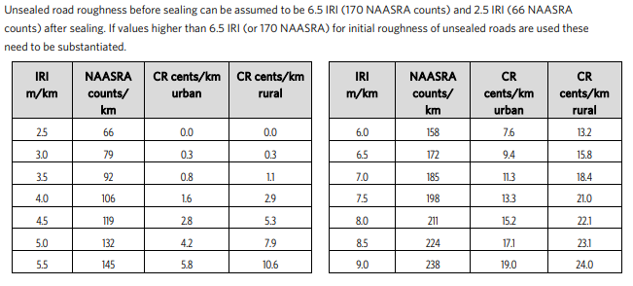
 |  |  |  |  |  |  |  |  |  | Spreadsheet problems?
SP3 General road improvements |  |  |  |  |  |  |  | Spreadsheet release date 14-Apr-2023 |  | Email: MBCM@nzta.govt.nz
Worksheet 5 - Vehicle operating cost savings and impact on GHG emissions
 | Worksheet 5 is used for calculating vehicle operating cost (VOC) savings.

1 | Base data
 | Traffic growth rate (per annum) |  |  |  |  |  | 0.0%
 | AADT (or the traffic volumes affected by the improvement) |  |  |  |  |  | 0

 |  | Do minimum |  |  | Option
 | Length of route (km) | Ldm |  |  | Lopt |  |  |  |  | As per the inputs in the section 6 of the worksheet 1.
 | Roughness (IRI/NAASRA) |  |  |  |  |  |  |  |  | As per the inputs in the section 6 of the worksheet 1.
 | Roughness cost | CRdm |  |  | CRopt |  |  |  |  | MBCM - Appendix 4 Vehicle operating cost tables
 | Mean vehicle speed | VSdm |  |  | VSopt |  |  |  |  | As per the inputs in the section 6 of the worksheet 1.
 | Gradient |  |  |  |  |  |  |  |  | Sum of the absolute value of rises and falls expressed as m/km
 | Base cost | CBdm |  | 0.00 | CBopt |  | 0.00 |  |  | MBCM - Appendix 4 Vehicle operating cost tables

2 | Annual vehicle operating cost for the do-minimum
 |  |  | Ldm x (CRdm + CBdm) x AADT x 365 |  |  | = $ | 0 |  | (a)
 |  |  | 100

3 | Annual vehicle operating cost for the option
 |  |  | Lopt x (CRopt + CBopt) x AADT x 365 |  |  | = $ | 0 |  | (b)
 |  |  | 100

4 | Value of annual vehicle operating cost savings |  |  |  |  | (a) - (b) = $ | 0 |  | (c)

5 | PV of vehicle operating cost savings |  |  |  |  | (c) x DF = $ | 0 |  | D | Transfer PV of vehicle operating cost savings for the preferred option D, to D on worksheet 1

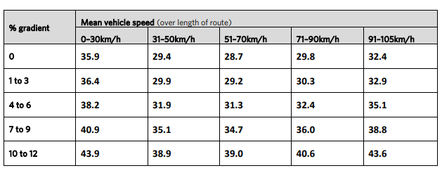
 | Table SP3.1 -Base vehicle operating costs (CB) including CO2 – in cents/km (July 2015)

 | Table SP3.2 -Roughness costs (CR) in cents/km (July 2015)

