TTM RACI Matrix
Version 2a - December 2023. PLEASE NOTE: This document is prepared for the purpose of the NZGTTM pilots during 2023/24 by Waka Kotahi suppliers – Downer NZ, Fulton Hogan, HEB, Higgins and WSP. This version (NZGTTM RACI V2a) has been created with input from Waka Kotahi suppliers – Downer NZ, Fulton Hogan, HEB, Higgins and WSP. The intention is to refine and update it with feedback as part of the NZGTTM pilot process. Waka Kotahi is making this draft version available to the TTM sector for the purposes of learning. Please ensure relevant applicable to your situation.

RESPONSIBLE
ACCOUNTABLE
CONSULTED
INFORMED
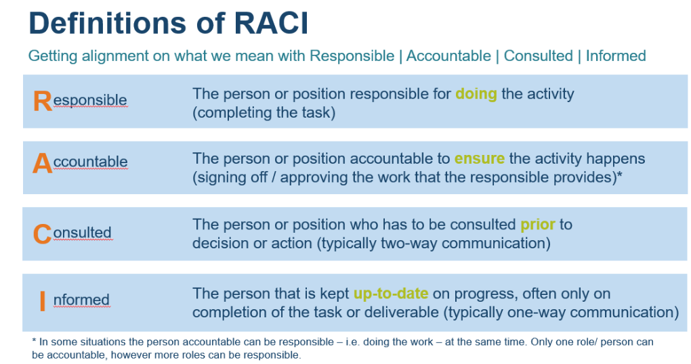
    |  |  | Main role | Activities | Main role | Activities | Main role | Activities
 |  | PROCESS STEPS / ROLE ACTIVITY | Waka Kotahi (Client leader) |  | RCA |  | Contractor PCBU |  | Comments
 | # | PHASE 0 - Network assessment
 | 1 | Identify Traffic Risk Management Plan (TRMP) contractual requirements | A | A. Provide reference to standards, specificitions and rules to be used (NZGTTM) B. Provide reference to TRMP network information C. Provide reference to minimum requirements for H&S and assurance |  |  | I |  | Plan should include: 1. Material standards & Specifications 2. Engineering & geomatrics standards 3. Rules - traffic control devices 4. RACI model applicable to the work
 | 2 | Provide network information to inform Traffic Risk Management Plan (TRMP) | I |  | A | A. Provide information to contractor PCBU | I |  | Network information to be included where available: 1. NOC regional area information (geographic boundaries) 2. Network use information - volume by time 3. One Network Framework (ONF) information 4. Permanent speed limits and recommended speeds 5. Safety data 6. Geometry data (road environment information, space to park, etc.) 7. Community events / calendar (e.g. grape harvest season, etc) 8. Moratorium access 9. Over dimensional routes and overweight routes 10. Intersection control types 11. Adjecent land use (e.g. forestry block, kinder garten) 12. Alternative routes available (detour routes tool) 13. Key stakeholder groups (and contacts) to engage with
 | 3 | OPTIONAL: Perform Regional network risk assessment data | C | E. Review TRMP and provide feedback | C | E. Review TRMP and provide feedback | A | A. Collate TRMP information B. Assess TRMP data C. Develop context risk rating for network D. Seek review on TRMP F. Collate feedback incorporate as appropriate
 | 4 | Prepare Traffic Risk Management Plan (TRMP) | R | E. Review TRMP and provide feedback G. Accept TRMP as per contract | C | E. Review TRMP and provide feedback | A | A. Collate TRMP information B. Assess TRMP data C. Develop context risk rating for network D. Seek review on TRMP F. Collate feedback incorporate as appropriate
 |  | PHASE 1 - Site assessment (concept alignment) |  |  |  |  |  |  | Note: this phase 1 relates to elements 1 to 5 in the operational workflow as described in the TTM planning process as part of the NZGTTM (page 25) .
 | 5 | Identify risks (project, workers and road users) |  |  | C | B. Provide input as per usual (seasonal activities / schools / etc.) | A | A. Apply risk assessment process | In case client leader is a utility company, they could be consulted in process step. Related activity is "provide input as required".
 | 6 | Conduct initial risk review | R | B. Review risk assessment and provide feedback | R | B. Review risk assessment and provide feedback | A | A. Consult on risk assessment C. Collate feedback and incorporate as appropriate | Input from RCA could also include input from local RCA council
 | 7 | Identify risk control options | C | C.Review type of controls identified and provide feedback | C | C.Review type of controls identified and provide feedback | A | A. Use hierarchy of contols to identify type of controls B. Consult on type of controls identified D. Collate feedback and incorporate as appropriate | Cost and scope are key indicators that will be mostly discussed in this process step between client leader and contractor PCBU.
 | 8 | Discuss concept viability incl. regulatory and Network Access Coordination (NAC) | I |  | C | B. Review and provide feedback to viability of concepts presented | A | A. Seek review on concept viability for closing any road or part of a road and any restrictions on timings / other projects
 | 9 | Assess risk control options |  |  |  |  | A | A. Assess risk control options considering all input provided
 | 10 | Select preferred risk control (incl. decide on Lowest Total Risk) |  |  |  |  | A | A. Apply hierarchy of control to select preferred type of control
 | 11 | Review preferred lowest practical total risk scenario | R | B. Final review of preferred lowest practical total risk scenario and provide feedback | R | B. Final review of preferred lowest practical total risk scenario and provide feedback | A | A. Seek review of preferred lowest practical total risk scenario C. Collate feedback and incorporate as appropriate
 | 12 | Seek regulatory approval | I |  | R | B. Approve the regulatory aspects of the preferred risk control scenario | A | A. Seek regulatory approval for the preferred risk control scenario

 |  | Phase 2 - Pre-implementation |  |  |  |  |  |  | Note: step 17 of this phase 2 relates to element 6 in the operational workflow as described in the TTM planning process as part of the NZGTTM (page 25).
 | 13 | OPTIONAL - Seek Network Access Coordination (NAC) confirmation if circumstances under which preferred scenario has been selected have changed | I |  | R | B. Provide NAC confirmation | A | A. Seek NAC confirmation
 | 14 | Draw Traffic Management Plan (TMP - internal briefing document) |  |  |  |  | A | A. Draw TMP
 | 15 | Allocate appropriate TTM resourcing (people and equipment/devices) |  |  |  |  | A | A. Allocate appropriate TTM resourcing
 | 16 | Communicate work to impacted stakeholders (notifying stakeholder of scenario selected) | R | C. Review communicatons and engagement plan and provide feedback E. Support communications and engagement with available media channels | R | C. Review communicatons and engagement plan and provide feedback E. Support communications and engagement with available media channels | A | A. Draft communications & engagement plan B. Seek review of communications & engagement plan D. Lead execution of communications & engagement plan | Focus during the pilots for this process step is to understand how this will work for 3rd party.
 | 17 | Issue Traffic Management Plan (TMP - internal acceptance / briefing document) | I |  | I |  | A | A. Issue Traffic Management Plan

 |  | PHASE 3 - implementation
 | 18 | Issue Traffic Management Plan (TMP) to STMS |  |  |  |  | A | A. Provide STMS with Traffic Risk Management Plan and Traffic Management Plan
 | 19 | Brief TTM crew (pre-start) |  |  |  |  | A | A. Brief as per company policy
 | 20 | Set up TTM on worksite |  |  | R | C. Adjust traffic operation systems | A | A. STMS to conduct pre-check on worksite to confirm risk and methodology B. Setting up TTM on worksite following selected methodology D. Briefing by STMS to works team
 | 21 | Assure site safety (incl. detour) | R | C. Monitor assurance system is implemented and working D. Perform spot check of site safety E. Provide feedback on outcomes of spot check to contractor | R | D. Perform spot check of site safety E. Provide feedback on outcomes of spot check to contractor | A | A. Maintain site as per Traffic Management Plan B. Demonstrate assurance system is working F. Collate feedback and incorporate as appropriate
 | 22 | OPTIONAL Change to site concept (fundamental change in site concept, duration or risk) |  |  |  |  | A | A. STMS escalates change in risk B. Kick off phase 1 (Site assessment (concept alignment) again
 | 23 | Remove TTM from worksite | I |  | R | B. Adjust traffic operation systems | A | A. Disestablish TTM on worksite following selected methodology

 |  | PHASE 4 - Lessons learnt
 | 24 | Identify high potential incident (work site level) | I |  | I |  | A | A. Identify high potential incident B. Report high potential incident | This process step is in addition to the Death and Serious Injury (DSI) data and process that runs in parallel.
 | 25 | Perform end of season review (NOC level) | C | B. Participate in feedback session and provide feedback | C | B. Participate in feedback session and provide feedback | A | A. Facilitate feedback session with relevant stakeholders
 | 26 | Update Traffic Risk Management Plan (TRMP) | C | C. Review Traffic Risk Management Plan (TRMP) and provide feedback | C | C. Review Traffic Risk Management Plan (TRMP) and provide feedback | A | A. Collate Traffic Risk Management Plan (TRMP) information B. Assess Traffic Risk Management Plan (TRMP) data D. Update context risk rating for network

