Introduction
RESILIENCE CUSTOMER LEVELS OF SERVICE ASSESSMENT TOOL

Background
The One Network Road Classification (ONRC) was developed by the Road Efficiency Group, a collaborative initiative between NZ Transport Agency and its partners in the roading industry. The purpose of the ONRC is to categorise roads based on the function that they perform as part of a national network. The road categories are National (high volume), National, Regional, Arterial, Primary Collector, Secondary, Access, Access (low volume).
The ONRC also proposes customer levels of service for travel time, resilience, travel speed, safety, amenity and accessibility. Customer levels of service are a very important factor in determining where improvements should be considered on the network. This is achieved by evaluating the current level of service against a target or optimal level of service to identify where there are gaps in the level of service, and ultimately where interventions are required to improve level of service to an acceptable standard. However, it has been determined that further guidance could assist to support the ONRC levels of service.
In response to this, the Resilience Project has developed this framework which classifies the Customer Levels of Service, given the expected duration of outage and frequency of an event, while also taking the road classification into account. It is expected that this framework will be used to determine when it is appropriate to invest to investigate resilience problems and potential strategic responses, either through a business case or through operational budgets such as the Minor or Enhanced Resilience budgets.

How to use the framework

Step 1. Determine the road classification
The first step is to identify the classification of road that you are investigating. The One Network Road Classification map can be found following this link:
https://nzta.maps.arcgis.com/apps/webappviewer/index.html?id=95fad5204ad243c39d84c37701f614b0

Step 2. Determine how the route should be segmented
In the first stage, you need to identify whether there is a viable alternative route that is likely to be available, and has less than an additional 2 hours of travel time (2 hours has been determined to be the benchmark within the ONRC).
If there are no viable alternative routes, then the whole corridor should be considered as being out of service.
If there are alternatives, then the corridor should be segmented into sections between intersection or interchanges where the main route meets with alternative routes. In this situation there may be several sections along a corridor, depending on the connectivity of the route. This is illustrated in the following diagram. In this example, if there is an outage on segment 1 the alternative route can be used and the overall route is operational. However, if there is an outage on segment 2 then the whole route may be considered as an outage as there is no alternative route. Therefore, investing to improve resilience on segment 2 may be considered more important than on segment 1 and 3.
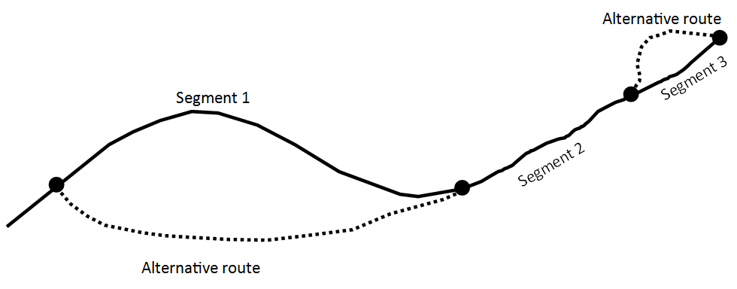
The second stage is to segment the route based on its environment if required by changing context. If a corridor traverse’s flat plains, and then through an alpine pass, it may be reasonable to evaluate these as separate sections of the corridor. The national scan of high impact, low frequency events may provide some guidance on this approach. And can be found by following this link:
https://www.nzta.govt.nz/roads-and-rail/highways-information-portal/technical-disciplines/resilience-project/resources-and-information/

Step 3. Data collection
To undertake the assessment, you will need to understand level of risk on the segments being analysed in terms of the possible frequency of an outage and the possible duration. There are two types of events to consider:
(Relatively) Low impact/high frequency (LIHF): These are events such as small floods, snow on alpine passes, and small scale slips. These are events that may generally happen (sometimes frequently) within 0 – 10 yr time period.
It should be noted that road crashes are considered to be excluded from this analysis, as safety programmes are in place to address major safety issues on the network. In this situation a road outage is a result of something other than a resilience problem.
Information on these LIHF types of events can be extracted from TRIES. But note that the quality of information in this system is variable across the country, and that the information needs to be cleaned to ensure that it is sensible and captures all known events. It is also worth talking to local NoC suppliers, Network Managers, and Journey Managers.
The table below is an example of information extracted and assessed from TRIES for the Wellington region.

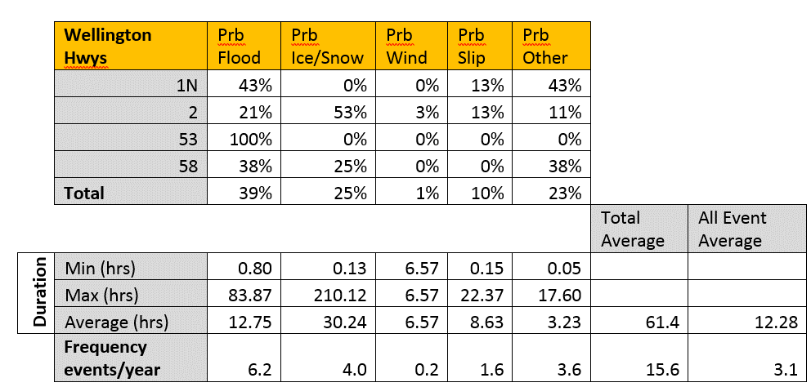
High impact/low frequency (HILF): These are large scale events that will cause significant disruption to the network. They are generally caused by large storms, earthquakes, tsunamis, volcanos or sea level rise. These are events that happen infrequently, and will most likely be outside of the knowledge or experience of staff members. Therefore, a level of scientific investigation and input may be required.
The high level national scan referenced earlier is the best place to start framing the appropriate information needed on these types of events. The regional methodology [1]can be followed if further investigation is required.

Step 4. Use the framework
In the LoS framework tab and find the appropriate road classification.
Using the data collected in step 3, for the 2nd column cells (Frequency on Corridor) make an assessment of the likely frequency of outage on the corridor for each of the outage duration periods.
As you do this you will notice that the Response column auto populates and classifies the appropriate level of response in heat map format. Points will also appear on the graph illustrating the current level of service for the corridor.

Step 5. The results
The framework will give you one of four responses, listed below. The responses are to give guidance for how to deal with the resilience issues on your corridor, and should inform any business case or potential investment. The “worst” result across all duration periods, being that with the greatest gap above the acceptable risk line, should be the overall determining factor. However collective assessment of all duration results should also be made. If no result exceeds the acceptable risk line, no further action would be needed other than standard EPPP preparedness.
1. No response (do nothing scenario – accept the risk)
2. Monitor (regional staff increase monitoring focus and reporting for risk area)
3. Plan response (develop business case to determine preferred response to risk, and then implement)
4. Urgent response (immediate interim actions required by a NOC to manage until business case preferred option is implemented)

[1] The regional methodology is available online. It is a guide to undertake a more detail assessment of resilience risk than provided in the national scan.

LoS framework
 |  | RESILIENCE CUSTOMER LEVELS OF SERVICE ASSESSMENT TOOL

National high volume - Resilience LoS
National high volume |  |  |  |  |  |  | Results graph
Duration of outage | Frequency on corridor | Response | Acceptable | Monitor | Urgent | Score
2 - 4 hrs | Once every 2 years | No response | 1 | 1.25 | 2 | 0.5
5 - 12 hrs | Once every 100 years | No response | 0.5 | 0.625 | 1 | 0.01
13 hrs - 2 days | More than once a year | Urgent response | 0.2 | 0.25 | 0.4 | 2
3 - 5 days | Once every 4 years | Urgent response | 0.1 | 0.125 | 0.2 | 0.25
6 - 14 days | Once every 9 years | Urgent response | 0.04 | 0.05 | 0.08 | 0.16666666667
15 - 49 days | Once every 250 years | No response | 0.02 | 0.025 | 0.04 | 0.004
50 - 120 days | Once every 250 years | No response | 0.01 | 0.0125 | 0.02 | 0.004
more than 120 days | Once every 2 years | Urgent response | 0.004 | 0.005 | 0.008 | 0.5

User must find average/min/max duration of event per hazard type for their region from the TREIS tab
Select either the average frequency of event type occurs per year from the TREIS tab

National - Resilience LoS
National |  |  |  |  |  |  | Results graph
Duration of outage | Frequency on corridor | Response | Acceptable | Monitor | Urgent | Score
2 - 4 hrs | 9 or more times a year | Urgent response | 4 | 5 | 8 | 9
5 - 12 hrs | 3 times a year | Plan response | 2 | 2.5 | 4 | 3
13 hrs - 2 days | Once every 5 years | No response | 1 | 1.25 | 2 | 0.2
3 - 5 days | Once every 4 years | Urgent response | 0.1 | 0.125 | 0.2 | 0.25
6 - 14 days | Once every 250 years | No response | 0.04 | 0.05 | 0.08 | 0.004
15 - 49 days | Once every 250 years | No response | 0.02 | 0.025 | 0.04 | 0.004
50 - 120 days | Once every 250 years | No response | 0.02 | 0.025 | 0.04 | 0.004
more than 120 days | Once every 2 years | Urgent response | 0.01 | 0.0125 | 0.02 | 0.5

Regional/Arterial - Resilience LoS
Regional/Arterial |  |  |  |  |  |  | Results graph
Duration of outage | Frequency on corridor | Response | Acceptable | Monitor | Urgent | Score
2 - 4 hrs | 20 times a year | Plan response | 10 | 12.5 | 20 | 20
5 - 12 hrs | 21 or more times a year | Urgent response | 5 | 6.25 | 10 | 21
13 hrs - 2 days | 8 times a year | Urgent response | 2 | 2.5 | 4 | 8
3 - 5 days | Once every 4 years | No response | 0.5 | 0.625 | 1 | 0.25
6 - 14 days | Once every 250 years | No response | 0.1 | 0.125 | 0.2 | 0.004
15 - 49 days | Once every 250 years | No response | 0.04 | 0.05 | 0.08 | 0.004
50 - 120 days | Once every 250 years | No response | 0.02 | 0.025 | 0.04 | 0.004
more than 120 days | Once every 2 years | Urgent response | 0.02 | 0.025 | 0.04 | 0.5

