Cover sheet
OIA-12694

Report produced by: | 2023-05-18
Data extract date: | 2023-05-18
Requester:
Request: | i would like to know the number of crashes police have attended (or had reported to them) at/near the intersection of The Ridgeway and Marsden Valley/Marsden Road [Nelson] since 2008. if possible i would like a copy of the crash reports but if not then a list of the dates (month/year) with as much info as possible would be great.
Source database: | CAS
Report produced by: | Wonsang Yu (Data Services)
Peer reviewed by: | Daniel Lawrence (Data Services)

Please note the following concerning the data contained in this spreadsheet:
This data is provided from the road traffic crash database; Crash Analysis System (CAS) version 2.3.1
Waka Kotahi NZ Transport Agency maintains CAS which is updated once a Traffic Crash Report (TCR) is received from NZ Police sometime after the crash.
Data is limited to all crashes and injuries within a 50m radius at the intersection of The Ridgeway between Marsden Road and Marsden Valley Road in Nelson for the years 2008 to 2023 as recorded in CAS to date - 18/05/2023.
A crash, to be recorded in CAS must have occurred on a road. The CAS definition of a road is any street, motorway or beach, or a place to which the public have access with a motor vehicle, whether as of right or not e.g. a public car park.
Due to the police reporting time frame and subsequent data processing there is a lag from the time of a crash to full and correct crash records within CAS.
Due to the nature of non-fatal crashes it is believed that these are under-reported, with the level of under-reporting decreasing with the increasing severity of the crash.
Crash severity is the severity of the worst injury in the crash. There may be more than one injury in a crash, so the crash and injury tables may have different numbers.
The cause of a crash cannot necessarily be attributed to any one factor (eg fatigue) as a crash may have multiple factors.
Factors are counted once against a crash - i.e. two fatigued drivers count as one fatigue crash factor.
Due to the Covid-19 pandemic, NZ had a 4-level Alert system in place from 21 March 2020 until this changed to a Traffic Light system from 3 December 2021 to 12 September 2022. The amount of traffic on the roads during level 4 lockdowns was greatly reduced, which consequently reduced the number of road crashes. Road movements under the Orange and Red levels of the Traffic Light system would also be reduced due to the restrictions in place, so data from these periods will not align with previous trends.
2022, 2023 data is incomplete in CAS but this is current as at 18/05/2023.

For further information, please contact |  | StatisticalAnalysis@nzta.govt.nz

Map
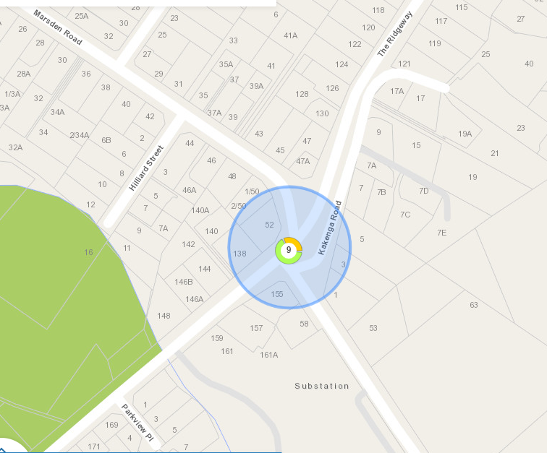
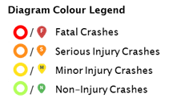
This information must be read in conjunction with the Caveats on the first page of this spreadsheet

Map of 2008-2023* crashes within a 50m radius at the intersection of The Ridgeway between Marsden road and Marsden Valley road in Nelson
* 2022, 2023 data is incomplete and is current from CAS as at 18/05/2023
CAS will group crashes that are near each other depending on the zoom level of the map.
This should not be interpreted as where crash hotspots are.
The number in the circle is the number of crashes on that section of road.
The colours around the circle show the proportion of crashes of different severities - see legend to the right of this diagram.

